Henley Purchase Order
HENLEYS
Image | Product | Description/COLOR/ SIZES | Quantity: 2 318 pairs | Retail Price | Total Retail Price
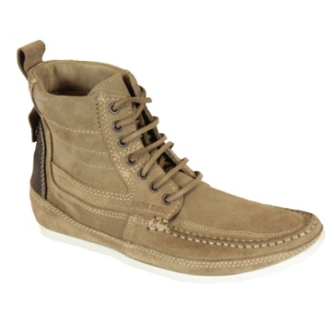 |  |  | 817
 | SMOKIE-CRECRE128 | henleys footwear CreamUK 6 | 80 | 160.00 € | 12,800.00 €
 | SMOKIE-CRECRE130 | henleys footwear CreamUK 7 | 67 | 160.00 € | 10,720.00 €
 | SMOKIE-CRECRE132 | henleys footwear CreamUK 8 | 150 | 160.00 € | 24,000.00 €
 | SMOKIE-CRECRE134 | henleys footwear CreamUK 9 | 168 | 160.00 € | 26,880.00 €
 | SMOKIE-CRECRE136 | henleys footwear CreamUK 10 | 169 | 160.00 € | 27,040.00 €
 | SMOKIE-CRECRE138 | henleys footwear CreamUK 11 | 82 | 160.00 € | 13,120.00 €
 | SMOKIE-CRECRE140 | henleys footwear CreamUK 12 | 101 | 160.00 € | 16,160.00 €
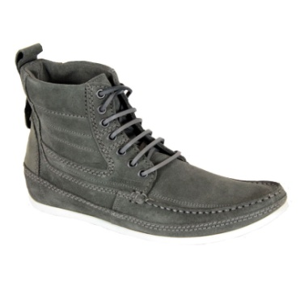 | SMOKIE-KHA | henleys footwear | 725
 | SMOKIE-KHAKHA128 | henleys footwear KhakiUK 6 | 64 | 160.00 € | 10,240.00 €
 | SMOKIE-KHAKHA130 | henleys footwear KhakiUK 7 | 74 | 160.00 € | 11,840.00 €
 | SMOKIE-KHAKHA132 | henleys footwear KhakiUK 8 | 165 | 160.00 € | 26,400.00 €
 | SMOKIE-KHAKHA134 | henleys footwear KhakiUK 9 | 140 | 160.00 € | 22,400.00 €
 | SMOKIE-KHAKHA136 | henleys footwear KhakiUK 10 | 131 | 160.00 € | 20,960.00 €
 | SMOKIE-KHAKHA138 | henleys footwear KhakiUK 11 | 67 | 160.00 € | 10,720.00 €
 | SMOKIE-KHAKHA140 | henleys footwear KhakiUK 12 | 84 | 160.00 € | 13,440.00 €
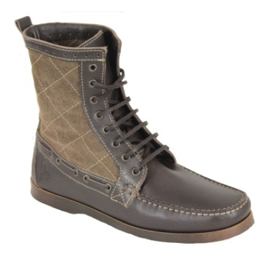 | SANDBAR | HENLEYS FOOTWEAR | 786
 | SANDBARBRO128 | HENLEYS FOOTWEAR Brown UK 6 | 70 | 190.00 € | 13,300.00 €
 | SANDBARBRO130 | HENLEYS FOOTWEAR Brown UK 7 | 71 | 190.00 € | 13,490.00 €
 | SANDBARBRO132 | HENLEYS FOOTWEAR Brown UK 8 | 152 | 190.00 € | 28,880.00 €
 | SANDBARBRO134 | HENLEYS FOOTWEAR Brown UK 9 | 160 | 190.00 € | 30,400.00 €
 | SANDBARBRO136 | HENLEYS FOOTWEAR Brown UK 10 | 169 | 190.00 € | 32,110.00 €
 | SANDBARBRO138 | HENLEYS FOOTWEAR Brown UK 11 | 71 | 190.00 € | 13,490.00 €
 | SANDBARBRO140 | HENLEYS FOOTWEAR Brown UK 12 | 93 | 190.00 € | 17,670.00 €
 |  |  |  |  | 396,060.00 €

